American Express
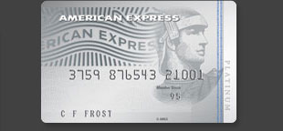

6 complimentary Gold Class movie vouchers* if you apply, are approved by 31 January 2012 and spend in the first 2 months of your Card membership*.
A complimentary Virgin Australia domestic economy return flight every year*.
Earn points up to 3x faster with Membership Rewards 3-2-1*.
Introductory Interest Rate of 0% p.a. on purchases for the first six Months*

*Terms, conditions & minimum spend criteria applies

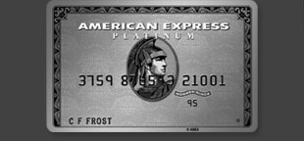

80,000 Membership Rewards Bonus Points if you apply, are approved by 31 January 2012 and spend $500 in the first 2 months of your Card membership*.
All your travel and lifestyle needs taken care of from Platinum Concierge* & Travel*.
Earn 1.5 Membership Rewards points per $1 spent*.

*Terms, conditions & minimum spend criteria applies

25,000 Membership Rewards Bonus Points* if you apply, are approved by 31 January 2012 and spend $500 in the first 2 months of your Card membership*.
A complimentary Virgin Australia domestic economy return flight every year*.
Earn points up to 3x faster with Membership Rewards 3-2-1*.
Introductory Interest Rate of 0% p.a. on purchases for the first six Months*

*Terms, conditions & minimum spend criteria applies

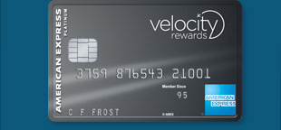

30,000 bonus Velocity Points if you apply, are approved by the 31 January 2012 and spend $500 in the first 3 months of Card membership*.
Two-for-one Business Class Flexi fares with V Australia*.
A complimentary Virgin Australia return domestic economy flight after your first Card spend every year*.

*Terms, conditions & minimum spend criteria applies

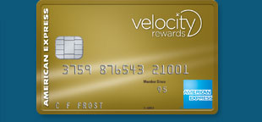

20,000 bonus Velocity Points if you apply, are approved by the 31 January 2012 and spend $500 in the first 3 months of Card membership*.
Earn 2.5 Velocity Points for every $1 spent on purchases made on the Card* in Australia with the Virgin Australia group of airlines and 1.25 Points for every $1 spent everywhere else*.
Two complimentary single entry passes to the Virgin Australia lounge each year*.

*Terms, conditions & minimum spend criteria applies

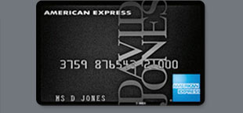

Save on purchases outside of David Jones with 0% p.a. for the first 6 months* on your David Jones American Express Card
Plus, earn 15,000 Bonus Points* when you spend 3 times outside of David Jones within the first month.
Earn more points on everyday spending, including 3 points for every dollar you spend at major supermarkets and petrol stations, 2 points for every dollar you spend in-store at David Jones and 1 point for every dollar you spend everywhere else*.
Invitations for exclusive Cardmember events and access to a range of in-store benefits at David Jones.*

*Terms, conditions & minimum spend criteria applies

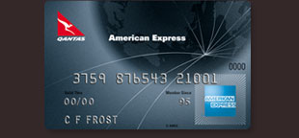

Start with up to 30,000 extra Qantas Frequent Flyer points* (if you apply via the online application by the 31 January 2012 , are approved and make the required eligible Card spend(s)) and $200 off your first year annual Card fee*.
A complimentary Qantas domestic Economy return flight* after your first Card spend each year on selected Qantas products and services* in Australia.
1.5 Qantas Frequent Flyer points* for every $1 spent on everyday purchases with the Card.

*Terms, conditions & minimum spend criteria applies

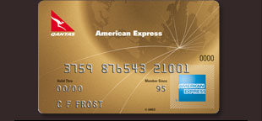

Start with up to 17,500 extra Qantas Frequent Flyer points*(if you apply via the online application by the 31 January 2012 , are approved and make the required eligible Card spend(s)) and $100 off your first year annual Card fee*.
Two complimentary Qantas Club Lounge invitations* after your first Card spend each year on selected Qantas products and services* in Australia.
1.25 Qantas Frequent Flyer points* for every $1 spent on everyday purchases with the Card.

*Terms, conditions & minimum spend criteria applies

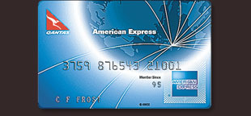

Start with up to 10,000 extra Qantas Frequent Flyer points* (if you apply via the online application by the 31 January 2012 , are approved and make the required eligible Card spend(s))
$0 Annual Card Fee.
1 Qantas Frequent Flyer point* for every $1 of eligible spend on purchases with the Card.

*Terms, conditions & minimum spend criteria applies

American Express Australia Limited (ABN 92 108 952 085). Australian Credit Licence No. 291313. ®Registered Trademark of American Express Company

View Corporate Entities and Important Disclosures, Web Site Rules and Regulations, Trademarks and Privacy Statement. Copyright © 2011 American Express Company.
All Rights Reserved. Users of this site agree to be bound by the terms of the American Express Web Site Rules and Regulations. American Express Australia Limited (ABN 92 108 952 085). Australian Credit Licence No. 291313. ®Registered Trademark of American Express Company

